Blad1
Item | Foto | Foto1 | Omschrijving | voorraad | Bruto | Bruto totaal | EAN
790007 | 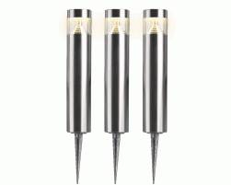 |  | LED 12V gardenl poles w trafo | 116 | € 71.95 | € 8,346.20 | 8718533017168
790050 | 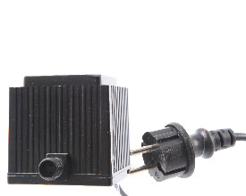 | 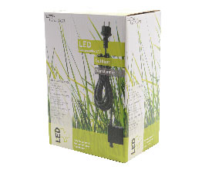 | LED 12V gardenl.transformer | 488 | € 21.50 | € 10,492.00 | 8717427673800
790051 | 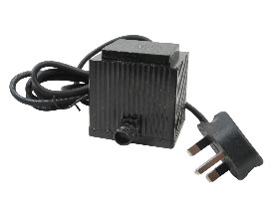 | 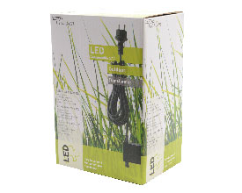 | LED 12V gardenl.transformer GB | 741 | € 21.50 | € 15,931.50 | 8717427634108
790054 | 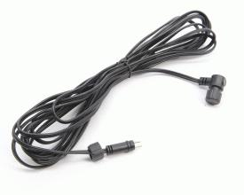 | 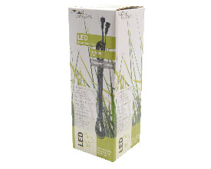 | LED 12V gardenlight ext.cable | 109 | € 7.25 | € 790.25 | 8717427673824
790055 | 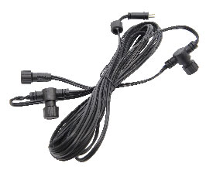 |  | LED 12V gardenlight cable | 587 | € 7.95 | € 4,666.65 | 8717427673817
790057 | 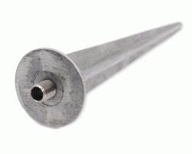 | 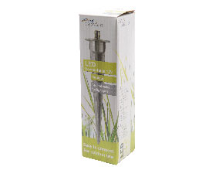 | Aluminium spike for light pole | 1408 | € 1.69 | € 2,379.52 | 8717427673855
790058 | 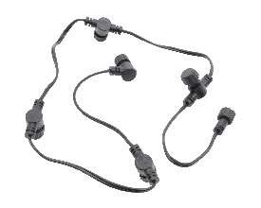 |  | LED 12V gardenlight cable | 277 | € 4.95 | € 1,371.15 | 8716128065679
790061 | 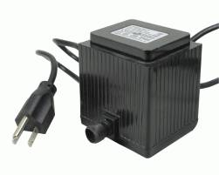 |  | LED 12V gardenl.transformer US | 55 | € 21.50 | € 1,182.50 | 8718533237504
790062 | 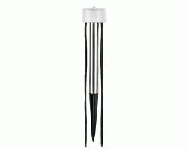 |  | light-dark sensor | 56 | € 9.25 | € 518.00 | 8718533627510
790078 |  |  | LED 12V gardenl. single pole | 78 | € 24.99 | € 1,949.22
790079 | 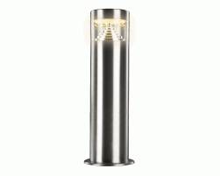 |  | LED 12V gardenl. single pole | 88 | € 29.95 | € 2,635.60 | 8717427673954
790080 | 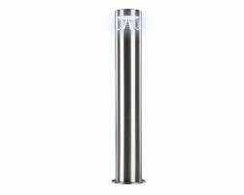 | 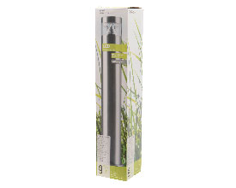 | LED 12V gardenl. single pole | 166 | € 35.95 | € 5,967.70 | 8717427673961
790082 |  |  | LED 12V gardenl. single pole | 18 | € 42.95 | € 773.10
790086 | 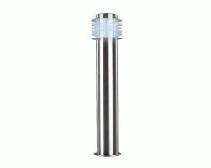 | 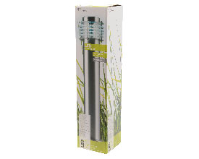 | LED 12V gardenl. single pole | 188 | € 61.50 | € 11,562.00 | 8717427674029
790087 | 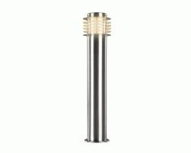 | 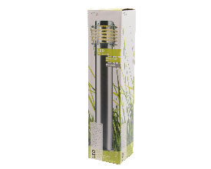 | LED 12V gardenl. single pole | 232 | € 59.95 | € 13,908.40 | 8717427674036
790088 | 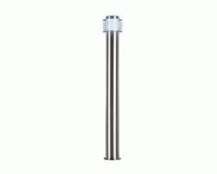 | 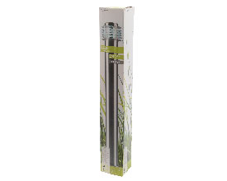 | LED 12V gardenl. single pole | 42 | € 67.95 | € 2,853.90 | 8717427674043
790089 | 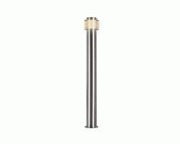 | 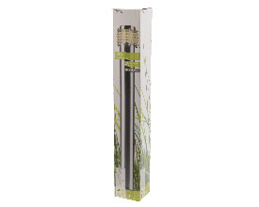 | LED 12V gardenl. single pole | 288 | € 69.95 | € 20,145.60 | 8717427674050
790091 | 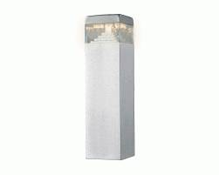 | 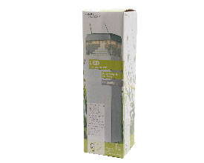 | LED 12V gardenl. single pole | 216 | € 36.50 | € 7,884.00 | 8717427674074
790092 | 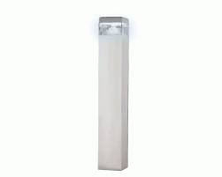 | 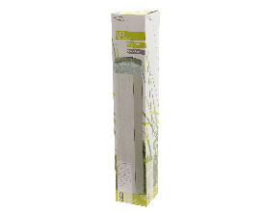 | LED 12V gardenl. single pole | 58 | € 43.50 | € 2,523.00 | 8717427674081
790093 | 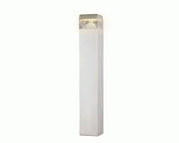 | 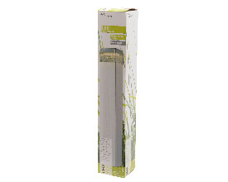 | LED 12V gardenl. single pole | 16 | € 43.50 | € 696.00 | 8717427674098
790095 | 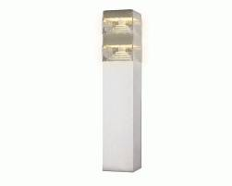 | 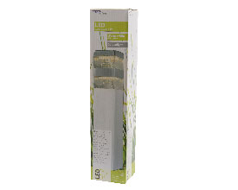 | LED 12V gardenl. single pole | 108 | € 62.50 | € 6,750.00 | 8717427674111
790096 | 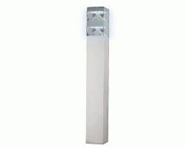 | 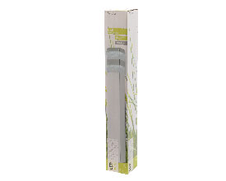 | LED 12V gardenl. single pole | 42 | € 71.95 | € 3,021.90 | 8717427674128
790097 | 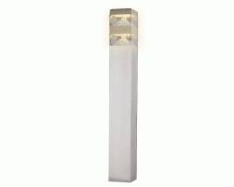 | 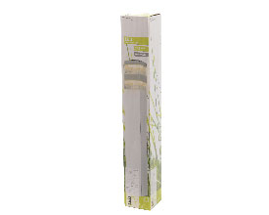 | LED 12V gardenl. single pole | 254 | € 71.95 | € 18,275.30 | 8717427674135
790100 |  |  | LED 12V gardenl. single pole | 18 | € 49.95 | € 899.10
790101 |  |  | LED 12V gardenl. single pole | 24 | € 49.95 | € 1,198.80
790104 | 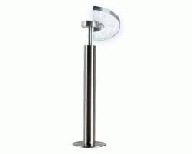 |  | LED 12V gardenl moonshape | 210 | € 56.95 | € 11,959.50 | 8711277625118
790105 |  |  | LED 12V gardenl moonshape | 6 | € 56.95 | € 341.70
790106 |  | 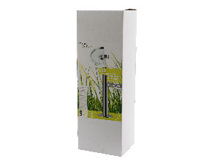 | LED 12V gardenl moonshape | 152 | € 49.60 | € 7,539.20 | 8711277625132
790113 | 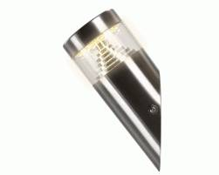 | 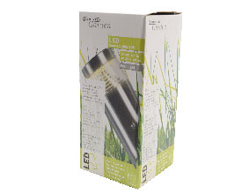 | LED 12V garden wall light | 156 | € 18.45 | € 2,878.20 | 8717427809766
790114 | 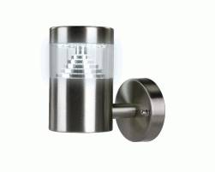 | 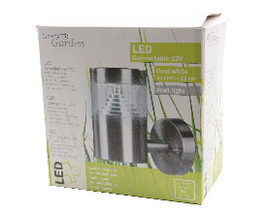 | LED 12V garden wall light | 34 | € 21.69 | € 737.46 | 8717427809773
790115 | 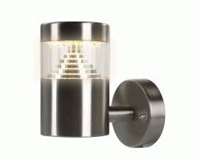 | 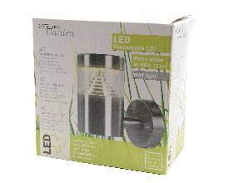 | LED 12V garden wall light | 116 | € 21.69 | € 2,516.04 | 8717427809780
790128 |  |  | LED 12V garden ground spot l | 6 | € 44.70 | € 268.20
790134 | 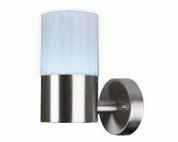 |  | LED 12V stainl steel wall lamp | 138 | € 21.60 | € 2,980.80 | 8718533488166
790135 | 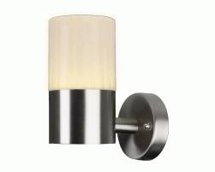 |  | LED 12V stainl steel wall lamp | 48 | € 21.60 | € 1,036.80 | 8718533488197
790136 | 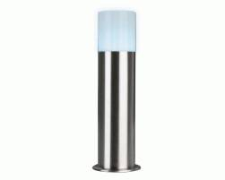 |  | LED 12V stainl st garden light | 70 | € 31.95 | € 2,236.50 | 8718533488227
790137 | 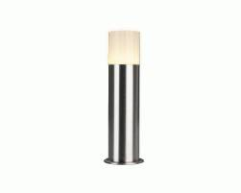 |  | LED 12V stain st garden light | 50 | € 25.95 | € 1,297.50 | 8718533488258
790138 |  |  | LED 12V stain st garden light | 58 | € 25.95 | € 1,505.10 | 8718533488272
790139 |  |  | LED 12V stainl st garden light | 18 | € 26.68 | € 480.24
790264 | 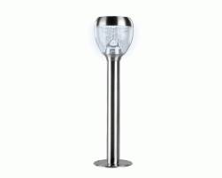 |  | LED 12V gardenl. single pole | 316 | € 50.50 | € 15,958.00 | 8718533300918
790265 | 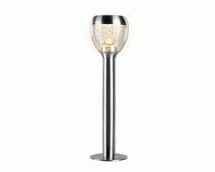 |  | LED 12V gardenl. single pole | 172 | € 50.50 | € 8,686.00 | 8718533300925
790266 |  |  | LED 12V gardenl. single pole | 104 | € 46.95 | € 4,882.80 | 8718533300932
790267 |  |  | LED 12V gardenl. single pole | 148 | € 46.95 | € 6,948.60 | 8718533300949
790268 |  |  | LED 12V gardenl. single pole | 324 | € 47.95 | € 15,535.80 | 8718533300956
790269 |  |  | LED 12V gardenl. single pole | 288 | € 47.95 | € 13,809.60 | 8718533300963
790251 |  |  | LED 12V brown garden lamp out | 157 | € 27.83 | € 4,369.31
790256 |  |  | LED 12V black garden lamp out | 282 | € 27.83 | € 7,848.06
790257 |  |  | LED 12V black garden lamp out | 189 | € 45.41 | € 8,582.49
790261 |  |  | LED 12V white garden lamp out | 234 | € 27.83 | € 6,512.22
790262 |  |  | LED 12V white garden lamp out | 205 | € 45.41 | € 9,309.05
790500 |  |  | plc banner LED conn.12V Dutch | 32 | € 20.99
790502 |  |  | plc banner LED conn.12V French | 30 | € 20.99
790503 |  |  | plc banner LED conn.12V German | 28 | € 20.99
790504 |  |  | plc banner LED conn.12V Spain | 31 | € 20.99
 |  |  |  | 9275 | voorraad | € 248,319.43

